Sheet1
 |  |  | Login

 | 1.1 |  | ADMIN Login | 2.1 |  | ADMIN click Manage PM

Login with Admin privileges
Login with Admin privileges
Home About Settings
Home About Settings

List PM
ID Account Status Project
Manage Member
Manage Project

Search Member (Id,Account,Role,..)
Search Member (Id,Account,Role,..)
List Result Search

Set PM
Search
Set PM

 | 3.1 | ADMIN click Manage Member |  | 3.2 | Admin Click Create/Edit Member

Login with Admin privileges
Create/Edit Member
Login with Admin privileges
x
Home About Settings
Home About Settings

Search Member
Search
Search Member
Search
Create
Create
List Member
List Member
Num Account Name Level Role
Edit
Edit

Reset
Create/Update

 | 4.1 | ADMIN click Manage Project |  | 4.2 | Admin click Create Project

Login with Admin privileges
Login with Admin privileges
Home About Settings
Home About Settings
Create/Edit Project
x

Search Project
Search
Search Project
Search
Create
Create

List Project In System
List Project In System
ID Name Status Phases
ID Name Status Phases
Edit
Edit

Reset
Create/Edit

Login with Admin privileges
 |  | Admin click Delete |  | SRS
 |  |  |  | Tu | 1->4
 |  |  |  | Nhi | 5->8
Home About Settings
You sure?
Enter “Yes,I am sure” to continues!!
x
 |  |  |  | Quang | 9->10
 |  |  |  | Hieu | 11->14
Search Project
Search
Create

List Project In System
ID Name Status Phases
Edit
Del

Cancel
Confirm

 |  | 5.1 | PM Login | 6.1 | PM Click My Project

Login with PM privileges
Login with PM privileges

Home My Project
Home My Project

List Project In System
List PM Project
ID Name Status Phases
More Info
ID Name Status Phases
Get Manage

 | 7.1 | PM click Get Manage |  | 8.1 | PM click Manage Member

Login with PM privileges
Login with PM privileges

Home My Project
Home My Project

Info Project
Name
List Member
Roles
Date Start
Date Finish
ID Account Name Roles Level

Status
Phase
Del
Date must work

Update
Search Member HieuTN
List Result Search
ID Account Name Level Roles
Manage Member
Manage Product
Review Log Work
Add
Create
Search

 | 8 | PM list Result Search Not record |  | 8.2 | PM click Get Create

Login with PM privileges

Home My Project

List Member
Possion
ID Account Name Level Possion

Del

Search Member (Id,Account,Role,..)
List Result Search
ID Account Name Level Possion

P.Manage
Search

 | 9.1 | PM click Manage Product |  | 9.2 | PM click Create/Edit Product

Login with PM privileges
Login with PM privileges

Home My Project
Home My Project
Create/Edit Product
X

List Product
List Product
ID Name Create By Phases Status
ID Name Create By Phases Status
Edit
Edit

Reset
Create/Update

Page Manage
Create Product
Page Manage
Create Product

 | 10.1 | PM click Review Log Work |  | 10.2 | PM click Review

Login with PM privileges
Login with PM privileges
Account Member
x
Home My Project
Home My Project
Date : MM/DD/YYY
Go
Page Manage
Date : MM/DD/YYY
Content Log
Search
Page Manage

List Log Work
List Log Work

ID Name Status
ID Name Create By Status
Review
Review

PM <Name> feedback :
Agree

Not Agree

 | 11.1 | Member Login |  | 11.2 | Member click My Project

Login with Member privileges
Login with Memberprivileges

Home My Project
Home My Project

List Project In System
List My Project
ID Name Status Phases Create By
ID Name Status Phases Create By

More Info
Go

 | 12.1 | Member click Go |  | 13.1 | Member click My Log Work

Login with Member privileges
Login with Member privileges

Home My Project
Home My Project

Info Project
All Log Work Project
List Log Work
ID Date Log Status Product Phase

My Log Work
Detail

Name
Date Start
Date Finish
Status
Phase
Page Manage
Log Work Now

 | 13.2 | Member click Log Work Now |  | 13.3 | Member click Detail

Content Log Work
Login with Member privileges
Content Log Work
Login with Member privileges
x
x
Home My Project
Home My Project

List Log Work
List Log Work
ID Date Log Status Product Phase
ID Date Log Status Product Phase

Detail
Detail

PM feedback :
Update
Reset
Create
Page Manage
Log Work Now
Delete

 | 14.1 | Member click My Log Work project

 |  |  |  | 12.1

 |  |  |  |  | Member click GO

 |  |  |  |  |  |  | 236, 56, 86

 |  |  |  |  |  |  | + Thị Trường : Nhật
 |  |  |  |  |  |  | + Đối tác : Yamaha
 |  |  |  |  |  |  | + Mảng : Web
 |  |  |  |  |  |  | + Mô tả chung : ......

 | 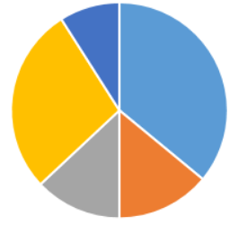

 |  |  |  |  |  |  | ﻿

Click Manage Member

 | 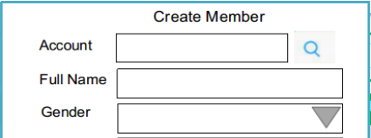 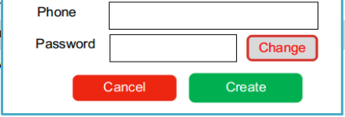

Product

 |  |  |  |  |  |  |  | Log works List

